Site Plan
Client : | White Young Green | Site plan for : | 1 | Client : | White Young Green | Site plan for : | 4 | Client : | White Young Green | Site plan for : | 6 | Client : | White Young Green | Site plan for : | 10
Project : | 3185-WAL / St Athan | Date : | 2016-06-07 | Project : | 3185-WAL / St Athan | Date : | 2016-06-07 | Project : | 3185-WAL / St Athan | Date : | 2016-06-07 | Project : | 3185-WAL / St Athan | Date : | 2016-06-07
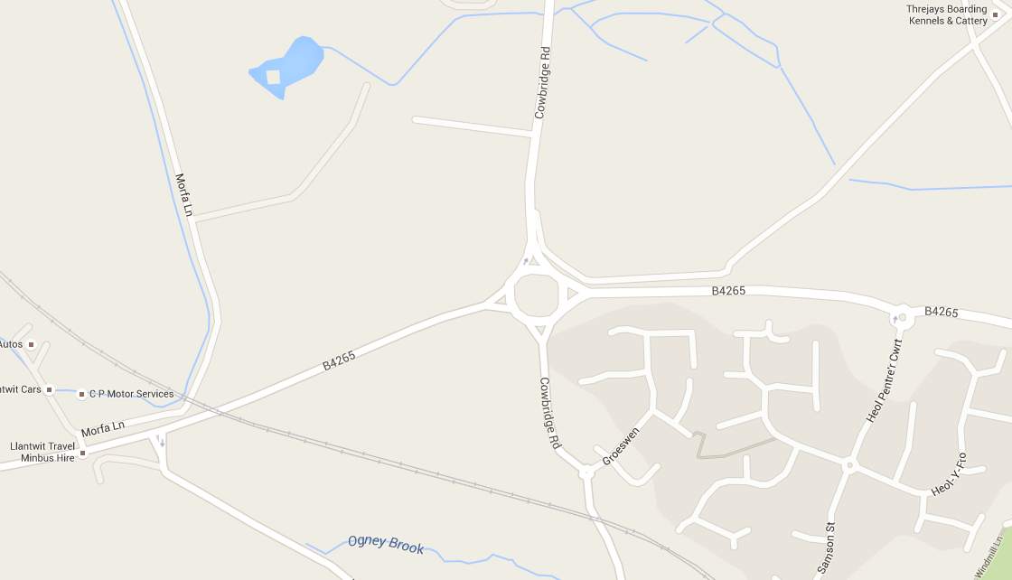
Site 1
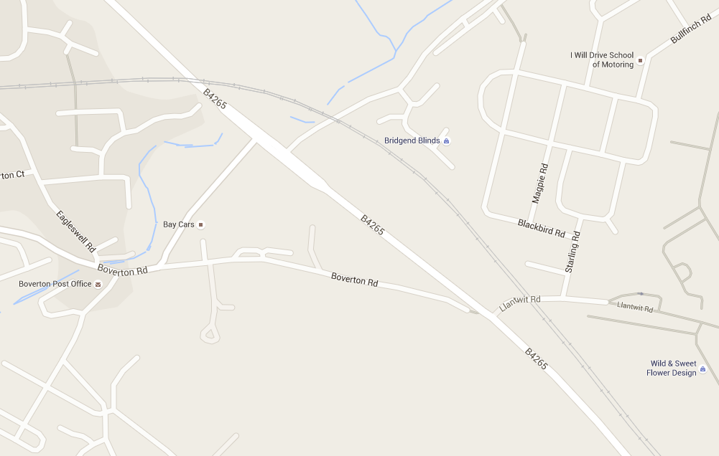
Site 4
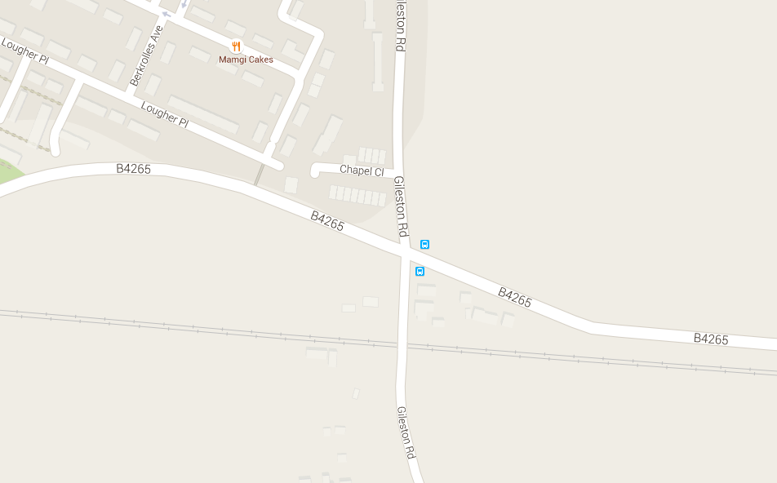
Site 6
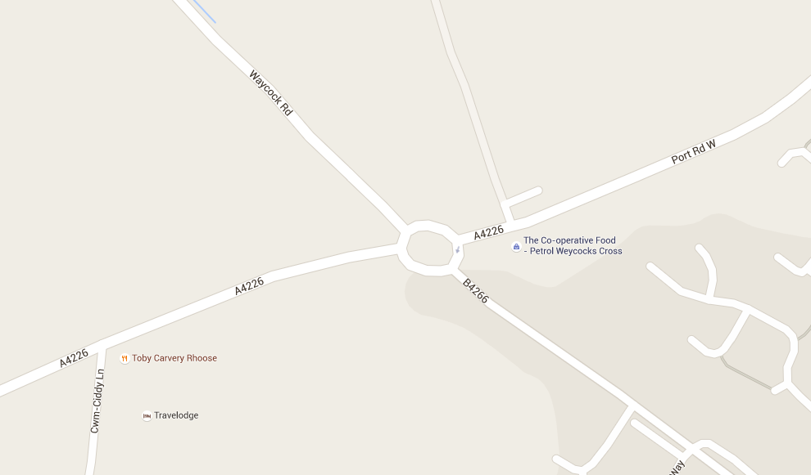
Site 10

D
A
D2
A
A
B1
D1
B2
B
D
C
D
A
B
B
D
C
C
C
B

A = Cowbridge Road (N)
B = B4265 (E)
C = Cowbridge Road (S)
D = B4265 (W)
Site 4
A = Unamed Road (N)
B = B4265 (E)
C = Unamed Road (S)
D = B4265 (W)
A = Gileston Road (N)
B = B4265 (E)
C = Gileston Road (S)
D = B4265 (W)
A = A4226 (E)
B = B4266
C = A4226 (W)
D = A4226 (N)

View Google map here
View Google map here
View Google map here
View Google map here

Site 1
A queue is defined as those vehicles at a junction which are stationary or which have slowed down to walking speed or less.
Instances in which there are "+" figures in the queue data represent the longest queue that can be accurately seen.These queues were longer than reported but would have to be estimated if any further vehicles exceeding these limits were reported.
 |  |  |  |  |  |  | Client : |  | White Young Green | Vehicle | Number | Metres
 |  |  |  |  |  |  | Project : |  | 3185-WAL / St Athan | PC, MC * | 0.5 | 2.5
 |  |  |  |  |  |  | Site : |  | 1 | LV | 1 | 5
 |  |  |  |  |  |  | Date : |  | 2016-06-07 | OGV1 | 2 | 10
 |  |  |  |  |  |  | Queue Method: |  | Maximum | OGV2 | 3 | 15
 |  |  |  |  |  |  | Queue Lengths: |  | Vehicle Numbers | Bus | 3 | 15

 | A - Cowbridge Rd (N) |  | B - B4265 (E) |  | C - Cowbridge Rd (S) |  | D - B4265 (W)
 | NS | OS | NS | OS | NS | OS | NS | OS
7:00:00 | 0 | 0 | 0 | 0 | 0 | 1 | 3 | 0
7:05:00 | 0 | 0 | 0 | 0 | 2 | 0 | 0 | 0
7:10:00 | 0 | 0 | 0 | 0 | 0 | 0 | 0 | 0
7:15:00 | 0 | 0 | 0 | 0 | 0 | 0 | 1 | 0
7:20:00 | 0 | 0 | 0 | 0 | 0 | 0 | 1 | 0
7:25:00 | 0 | 0 | 0 | 0 | 0 | 3 | 0 | 0
7:30:00 | 9 | 0 | 0 | 0 | 0 | 0 | 2 | 0
7:35:00 | 0 | 0 | 0 | 2 | 1 | 5 | 1 | 0
7:40:00 | 3 | 0 | 0 | 4 | 0 | 1 | 1 | 0
7:45:00 | 5 | 0 | 0 | 5 | 0 | 1 | 1 | 6
7:50:00 | 0 | 0 | 0 | 3 | 0 | 1 | 0 | 1
7:55:00 | 2 | 2 | 0 | 0 | 0 | 1 | 2 | 3
8:00:00 | 0 | 0 | 0 | 0 | 0 | 1 | 1 | 3
8:05:00 | 0 | 0 | 0 | 3 | 0 | 2 | 0 | 0
8:10:00 | 0 | 0 | 0 | 1 | 0 | 1 | 2 | 0
8:15:00 | 0 | 0 | 0 | 5 | 0 | 4 | 0 | 1
8:20:00 | 0 | 0 | 1 | 1 | 0 | 0 | 0 | 0
8:25:00 | 0 | 0 | 0 | 0 | 0 | 5 | 0 | 4
8:30:00 | 0 | 0 | 0 | 1 | 0 | 0 | 3 | 0
8:35:00 | 0 | 0 | 0 | 2 | 0 | 2 | 0 | 0
8:40:00 | 0 | 0 | 0 | 15+ | 1 | 1 | 0 | 4
8:45:00 | 0 | 0 | 0 | 0 | 0 | 1 | 0 | 1
8:50:00 | 0 | 0 | 0 | 0 | 0 | 2 | 0 | 2
8:55:00 | 0 | 3 | 0 | 3 | 0 | 3 | 0 | 1
9:00:00 | 6 | 0 | 0 | 2 | 0 | 0 | 0 | 1
9:05:00 | 9 | 0 | 0 | 0 | 0 | 0 | 0 | 0
9:10:00 | 1 | 0 | 0 | 1 | 0 | 1 | 0 | 1
9:15:00 | 0 | 0 | 0 | 1 | 2 | 0 | 1 | 1
9:20:00 | 0 | 1 | 0 | 0 | 0 | 2 | 2 | 7
9:25:00 | 0 | 0 | 0 | 1 | 0 | 0 | 0 | 0
9:30:00 | 0 | 0 | 0 | 0 | 0 | 0 | 0 | 0
9:35:00 | 0 | 0 | 0 | 1 | 0 | 0 | 0 | 1
9:40:00 | 0 | 0 | 0 | 0 | 0 | 0 | 0 | 0
9:45:00 | 0 | 0 | 0 | 0 | 0 | 1 | 0 | 4
9:50:00 | 0 | 0 | 0 | 7 | 0 | 2 | 1 | 1
9:55:00 | 0 | 0 | 0 | 0 | 0 | 0 | 1 | 0
16:00:00 | 0 | 0 | 0 | 0 | 0 | 1 | 0 | 0
16:05:00 | 4 | 0 | 0 | 0 | 0 | 0 | 0 | 0
16:10:00 | 0 | 0 | 0 | 0 | 0 | 0 | 0 | 0
16:15:00 | 1 | 0 | 0 | 0 | 0 | 0 | 0 | 0
16:20:00 | 0 | 0 | 1 | 1 | 1 | 0 | 0 | 0
16:25:00 | 0 | 0 | 0 | 1 | 2 | 0 | 0 | 1
16:30:00 | 0 | 0 | 0 | 2 | 0 | 0 | 0 | 0
16:35:00 | 0 | 0 | 0 | 1 | 0 | 0.5 | 0 | 0
16:40:00 | 0 | 0 | 3 | 4 | 1 | 0 | 0 | 0
16:45:00 | 0 | 0 | 3 | 1 | 0 | 0 | 0 | 2
16:50:00 | 0 | 0 | 2 | 6 | 1 | 1 | 0 | 0
16:55:00 | 0 | 0 | 0 | 3 | 0 | 0 | 0 | 0
17:00:00 | 5 | 1 | 2 | 1 | 0 | 0 | 0 | 2
17:05:00 | 0 | 0 | 0 | 3 | 0 | 1 | 0 | 0
17:10:00 | 4 | 0 | 0 | 1 | 0 | 1 | 0 | 0
17:15:00 | 0 | 0 | 4 | 0 | 0 | 0 | 1 | 1
17:20:00 | 7 | 0 | 7 | 0 | 1 | 2 | 0 | 0
17:25:00 | 2 | 0 | 1 | 0 | 0 | 1 | 0 | 0
17:30:00 | 0 | 0 | 3 | 3 | 0 | 0 | 0 | 0
17:35:00 | 0 | 0 | 0 | 1 | 3 | 0 | 2 | 1
17:40:00 | 0 | 0 | 0 | 0 | 0 | 1 | 0 | 0
17:45:00 | 0 | 0 | 0 | 0 | 0 | 0 | 0 | 1
17:50:00 | 3 | 1 | 0 | 0 | 0 | 1 | 0 | 0
17:55:00 | 0 | 0 | 0 | 0 | 0 | 2 | 0 | 0
18:00:00 | 0 | 0 | 0 | 0 | 1 | 0 | 1 | 0
18:05:00 | 3 | 0 | 1 | 1 | 1 | 0 | 0 | 0
18:10:00 | 0 | 0 | 0 | 0 | 0 | 1 | 0 | 0
18:15:00 | 0 | 0 | 0 | 0 | 0 | 1 | 0 | 0
18:20:00 | 0 | 0 | 0 | 0 | 0 | 1 | 0 | 0
18:25:00 | 0 | 0 | 0 | 0 | 0 | 0 | 0 | 0
18:30:00 | 0 | 0 | 0 | 0 | 0 | 1 | 0 | 0
18:35:00 | 0 | 0 | 0 | 1 | 0 | 0 | 0 | 0
18:40:00 | 0 | 0 | 0 | 0 | 0 | 0 | 0 | 0
18:45:00 | 1 | 0 | 0 | 1 | 0 | 1 | 0 | 0
18:50:00 | 0 | 0 | 0 | 0 | 0 | 0 | 0 | 0
18:55:00 | 3 | 1 | 0 | 1 | 0 | 0 | 0 | 0

Site 4
A queue is defined as those vehicles at a junction which are stationary or which have slowed down to walking speed or less.
Instances in which there are "+" figures in the queue data represent the longest queue that can be accurately seen.These queues were longer than reported but would have to be estimated if any further vehicles exceeding these limits were reported.
 |  |  |  |  |  |  |  | Client : | White Young Green |  |  |  |  | Vehicle | Number | Metres
 |  |  |  |  |  |  |  | Project : | 3185-WAL / St Athan |  |  |  |  | PC, MC * | 0.5 | 2.5
 |  |  |  |  |  |  |  | Site : | 4 |  |  |  |  | LV | 1 | 5
 |  |  |  |  |  |  |  | Date : | 2016-06-07 |  |  |  |  | OGV1 | 2 | 10
 |  |  |  |  |  |  |  | Queue Method: | Maximum |  |  |  |  | OGV2 | 3 | 15
 |  |  |  |  |  |  |  | Queue Lengths: | Vehicle Numbers |  |  |  |  | Bus | 3 | 15

 | A - Unamed Rd (N) |  | B1 - B4265 (E) |  | B2 - B4265 (E) |  |  | C - Unamed Rd (S) | D1 - B4265 (W) |  | D2 - B4265 (W)
 | NS | OS | NS | OS | NS | Middle | OS |  | NS | OS | NS | Middle | OS
7:00:00 | 2 | 2 | 0 | 2 | 0 | 6 | 0 | 1 | 0 | 1 | 0 | 3 | 2
7:05:00 | 0 | 2 | 0 | 2 | 0 | 5 | 0 | 2 | 0 | 3 | 1 | 3 | 0
7:10:00 | 0 | 3 | 0 | 2 | 4 | 5 | 0 | 3 | 0 | 3 | 1 | 5 | 0
7:15:00 | 0 | 1 | 0 | 1 | 1 | 4 | 0 | 3 | 0 | 4 | 0 | 5 | 0
7:20:00 | 0 | 2 | 0 | 1 | 2 | 2 | 0 | 4 | 0 | 4 | 0 | 6 | 0
7:25:00 | 1 | 3 | 0 | 3 | 3 | 2 | 0 | 10.5 | 0 | 5 | 1 | 4 | 2
7:30:00 | 1 | 5 | 0 | 2 | 2 | 4 | 0 | 3 | 0 | 4 | 0 | 8 | 0
7:35:00 | 1 | 8 | 0 | 4 | 2 | 4 | 0 | 5 | 0 | 4 | 2 | 8 | 2
7:40:00 | 1 | 2 | 0 | 2 | 4 | 3 | 0 | 4 | 0 | 4 | 2 | 4 | 0
7:45:00 | 0 | 4 | 0 | 2 | 2 | 6 | 0 | 4 | 0 | 4 | 1 | 14 | 1
7:50:00 | 1 | 6 | 0 | 3 | 3 | 8 | 0 | 6 | 0 | 4 | 2 | 4 | 2
7:55:00 | 0 | 9 | 0 | 2 | 3 | 4 | 1 | 8 | 0 | 3 | 1 | 6 | 0
8:00:00 | 1 | 2 | 0 | 1 | 3 | 6 | 0 | 5 | 0 | 4 | 2 | 9 | 2
8:05:00 | 1 | 3 | 0 | 1 | 5 | 4 | 0 | 7 | 0 | 5 | 0 | 7 | 1
8:10:00 | 0 | 3 | 0 | 2 | 5 | 10 | 0 | 5 | 0 | 6 | 0 | 12 | 1
8:15:00 | 1 | 5 | 1 | 2 | 8 | 8 | 0 | 7 | 0 | 6 | 0 | 8 | 3
8:20:00 | 4 | 7 | 0 | 2 | 4 | 7 | 0 | 15+ | 0 | 2 | 2 | 7 | 0
8:25:00 | 1 | 3 | 0 | 2 | 8 | 5 | 0 | 15+ | 0 | 7 | 1 | 5 | 1
8:30:00 | 0 | 4 | 0 | 1 | 7 | 8 | 0 | 8 | 0 | 6 | 0 | 0 | 0
8:35:00 | 0 | 8 | 0 | 3 | 5 | 9 | 0 | 3 | 0 | 5.5 | 0 | 7 | 1
8:40:00 | 0 | 4 | 0 | 2 | 7 | 9 | 0 | 8 | 0 | 7 | 0 | 9 | 0
8:45:00 | 0 | 5 | 0 | 2 | 6 | 2 | 0 | 8 | 0 | 7 | 3 | 6 | 1
8:50:00 | 0 | 6 | 0 | 0 | 1 | 4 | 0 | 8 | 0 | 6 | 1 | 3 | 1
8:55:00 | 1 | 7 | 0 | 3 | 4 | 7 | 1 | 6 | 0 | 4 | 0 | 6 | 0
9:00:00 | 0 | 7 | 1 | 2 | 10 | 6 | 3 | 7 | 1 | 5 | 0 | 1 | 3
9:05:00 | 1 | 2 | 0 | 1 | 6 | 4 | 0 | 5 | 4 | 6 | 1 | 6 | 1
9:10:00 | 0 | 2 | 0 | 1 | 4 | 5 | 0 | 7 | 0 | 5 | 0 | 4 | 0
9:15:00 | 0 | 2 | 0 | 2 | 5 | 8 | 4 | 6 | 0 | 5 | 1 | 7 | 1
9:20:00 | 0 | 4 | 0 | 1 | 5 | 4.5 | 1 | 5 | 0 | 4 | 1 | 6 | 1
9:25:00 | 1 | 2 | 0 | 1 | 3 | 4 | 0 | 4 | 0 | 2 | 1 | 7 | 0
9:30:00 | 0 | 2 | 0 | 1 | 3 | 2 | 1 | 6 | 0 | 5 | 0 | 8 | 3
9:35:00 | 0 | 2 | 0 | 1 | 2 | 6 | 0 | 4 | 0 | 4 | 0 | 7 | 1
9:40:00 | 0 | 3 | 0 | 1 | 1 | 8 | 1 | 7 | 0 | 4 | 1 | 6 | 2
9:45:00 | 0 | 2 | 0 | 1 | 5 | 2 | 1 | 3 | 0 | 3 | 1 | 6 | 1
9:50:00 | 1 | 3 | 0 | 2 | 1 | 9 | 1 | 5 | 0 | 3 | 0 | 7 | 0
9:55:00 | 1 | 2 | 0 | 1 | 3 | 5 | 0 | 4 | 0 | 4 | 0 | 4 | 3
16:00:00 | 0 | 5 | 0 | 2 | 6 | 10 | 1 | 14 | 0 | 6 | 2 | 8 | 1
16:05:00 | 0 | 3 | 0 | 1 | 3 | 6 | 0 | 8 | 0 | 4 | 4 | 7 | 0
16:10:00 | 0 | 2 | 0 | 2 | 5.5 | 5 | 0 | 4 | 0 | 4 | 0 | 1 | 0
16:15:00 | 0 | 2 | 0 | 2 | 4 | 8 | 1 | 8 | 0 | 3 | 1 | 5 | 2
16:20:00 | 0 | 5 | 0 | 4 | 2 | 9 | 0 | 4 | 0 | 3 | 0 | 8 | 2
16:25:00 | 1 | 4 | 0 | 4 | 8 | 5 | 1 | 6 | 0 | 5 | 1 | 9 | 0
16:30:00 | 0 | 2 | 0 | 1 | 4 | 9 | 0 | 3 | 0 | 3 | 0 | 5 | 1
16:35:00 | 0 | 4 | 0 | 2 | 7 | 10.5 | 1 | 15+ | 0 | 6 | 1 | 4 | 0
16:40:00 | 0 | 3 | 3 | 3 | 6 | 5 | 0 | 8 | 1 | 3 | 4 | 3 | 2
16:45:00 | 0 | 3 | 0 | 3 | 5 | 9 | 3 | 5 | 0 | 4 | 2 | 4 | 0
16:50:00 | 2 | 1 | 0 | 1 | 6 | 1 | 0 | 6 | 0 | 4 | 0 | 0 | 1
16:55:00 | 0 | 2 | 0 | 3 | 8 | 9 | 1 | 4 | 0 | 3 | 1 | 7 | 0
17:00:00 | 0 | 1 | 0 | 2 | 6 | 4 | 2 | 5 | 0 | 5 | 1 | 3 | 1
17:05:00 | 0 | 3 | 0 | 1 | 5 | 8.5 | 1 | 11 | 0 | 6 | 1 | 9 | 1
17:10:00 | 0 | 5 | 0 | 2 | 3 | 10 | 0 | 6 | 0 | 7 | 0 | 4 | 0
17:15:00 | 0 | 1 | 0 | 1 | 5 | 5 | 1 | 5 | 0 | 4 | 2 | 8 | 0
17:20:00 | 0 | 4 | 0 | 0 | 10 | 7 | 1 | 4 | 0 | 3 | 2 | 8 | 2
17:25:00 | 0 | 7 | 0 | 1 | 9 | 7 | 0 | 7 | 0 | 4 | 3 | 8 | 5
17:30:00 | 1 | 1 | 0 | 1 | 5 | 2 | 0 | 9 | 0 | 6 | 2 | 7 | 1
17:35:00 | 1 | 7 | 0 | 2 | 7 | 4 | 1 | 7 | 0 | 4 | 2 | 4 | 1
17:40:00 | 1 | 2 | 0 | 1 | 3 | 5 | 0 | 7 | 0 | 5 | 3 | 4 | 1
17:45:00 | 0 | 3.5 | 0 | 0 | 3 | 4 | 0 | 6 | 0 | 4 | 1 | 5 | 2
17:50:00 | 0 | 6 | 0 | 2 | 9 | 6 | 1 | 5 | 0 | 4 | 2 | 7 | 0
17:55:00 | 0 | 2 | 0 | 1 | 7 | 6 | 0 | 4 | 0 | 3 | 1 | 5 | 1
18:00:00 | 0 | 0 | 0 | 0 | 2 | 1 | 0 | 6 | 0 | 5 | 1 | 10 | 1
18:05:00 | 0 | 2 | 0 | 0 | 5 | 9 | 1 | 8 | 0 | 5 | 2 | 4 | 2
18:10:00 | 0 | 2 | 0 | 0 | 3 | 5 | 1 | 5 | 0 | 3 | 0 | 3 | 0
18:15:00 | 0 | 2 | 0 | 1 | 5 | 7 | 2 | 4 | 0 | 4 | 2 | 6 | 1
18:20:00 | 0 | 3 | 0 | 1 | 4 | 6 | 1 | 8 | 0 | 4 | 1 | 3 | 0
18:25:00 | 0 | 3 | 0 | 2 | 4 | 3 | 2 | 5 | 0 | 3 | 1 | 5 | 0
18:30:00 | 0 | 8 | 0 | 1 | 5 | 5 | 0 | 4 | 0 | 4 | 0 | 3 | 1
18:35:00 | 0 | 1 | 0 | 1 | 4 | 4 | 1 | 9 | 0 | 5 | 0 | 1 | 1
18:40:00 | 0 | 3 | 0 | 1 | 4 | 3 | 1 | 8 | 2 | 5 | 1 | 5 | 1
18:45:00 | 0 | 1 | 0 | 1 | 9 | 10 | 1 | 8 | 0 | 5 | 0 | 4 | 1
18:50:00 | 1 | 3 | 0 | 1 | 5 | 4 | 0 | 5 | 0 | 3 | 2 | 10 | 1
18:55:00 | 1 | 2 | 0 | 1 | 4 | 6 | 1 | 2 | 0 | 2 | 1 | 6 | 0

Site 6
A queue is defined as those vehicles at a junction which are stationary or which have slowed down to walking speed or less.
Instances in which there are "+" figures in the queue data represent the longest queue that can be accurately seen.These queues were longer than reported but would have to be estimated if any further vehicles exceeding these limits were reported.
 |  |  |  |  | Client : | White Young Green | Vehicle | Number | Metres
 |  |  |  |  | Project : | 3185-WAL / St Athan | PC, MC * | 0.5 | 2.5
 |  |  |  |  | Site : | 6 | LV | 1 | 5
 |  |  |  |  | Date : | 2016-06-07 | OGV1 | 2 | 10
 |  |  |  |  | Queue Method: | Maximum | OGV2 | 3 | 15
 |  |  |  |  | Queue Lengths: | Vehicle Numbers | Bus | 3 | 15

 | A - Gileston Rd (N) | B - B4265 (E), OS | C - Gileston Rd (S) | D - B4265 (W), OS

7:00:00 | 1 | 1 | 1 | 0
7:05:00 | 4 | 1 | 0 | 0
7:10:00 | 1 | 1 | 0 | 0
7:15:00 | 4 | 4 | 0 | 0
7:20:00 | 4 | 2 | 1 | 0
7:25:00 | 3 | 0 | 1 | 0
7:30:00 | 3 | 1 | 0 | 0
7:35:00 | 5.5 | 2 | 1 | 0
7:40:00 | 7 | 2 | 1 | 2
7:45:00 | 2 | 3 | 0 | 0
7:50:00 | 4 | 0 | 0 | 0
7:55:00 | 4 | 2 | 2 | 0
8:00:00 | 5 | 2 | 1 | 0
8:05:00 | 5 | 1 | 0 | 0
8:10:00 | 5 | 2 | 1 | 0
8:15:00 | 4 | 1 | 0 | 0
8:20:00 | 4 | 6 | 1 | 0
8:25:00 | 6 | 1.5 | 1 | 0
8:30:00 | 7 | 2 | 0 | 1
8:35:00 | 3 | 2 | 1 | 0
8:40:00 | 6.5 | 1 | 3 | 0
8:45:00 | 5 | 2 | 1 | 0
8:50:00 | 2 | 3 | 1 | 0
8:55:00 | 4 | 1 | 1 | 0
9:00:00 | 3 | 0 | 1 | 0
9:05:00 | 3 | 1 | 1 | 0
9:10:00 | 3 | 0 | 0 | 0
9:15:00 | 4 | 5 | 0 | 0
9:20:00 | 3 | 4 | 0 | 0
9:25:00 | 2 | 0 | 0 | 0
9:30:00 | 4 | 1 | 1 | 0
9:35:00 | 3 | 1 | 0 | 0
9:40:00 | 4 | 2 | 1 | 0
9:45:00 | 7 | 0 | 0 | 0
9:50:00 | 2 | 3 | 0 | 0
9:55:00 | 5 | 3 | 0 | 0
16:00:00 | 3 | 3 | 1 | 1
16:05:00 | 4 | 3 | 1 | 1
16:10:00 | 7 | 5 | 1 | 0
16:15:00 | 6 | 2 | 1 | 0
16:20:00 | 5 | 10 | 0 | 0
16:25:00 | 5 | 1 | 1 | 0
16:30:00 | 5 | 2 | 1 | 1
16:35:00 | 7 | 3 | 0 | 0
16:40:00 | 8 | 2 | 1 | 0
16:45:00 | 6 | 1 | 1 | 0
16:50:00 | 6 | 2 | 0 | 0
16:55:00 | 5 | 3 | 1 | 0
17:00:00 | 6 | 4 | 0 | 0
17:05:00 | 6 | 1 | 1 | 0
17:10:00 | 4 | 3 | 0 | 0
17:15:00 | 6 | 4 | 1 | 0
17:20:00 | 2 | 2 | 1 | 0
17:25:00 | 3 | 2 | 0.5 | 0
17:30:00 | 3 | 4 | 1 | 0
17:35:00 | 7 | 6 | 0 | 0
17:40:00 | 2.5 | 3 | 1 | 0
17:45:00 | 2 | 1 | 0 | 0
17:50:00 | 4 | 1 | 0 | 0
17:55:00 | 2 | 5 | 0 | 0
18:00:00 | 1 | 2 | 0 | 0
18:05:00 | 4 | 3 | 2 | 0
18:10:00 | 3 | 3 | 0 | 0
18:15:00 | 5 | 1 | 0 | 0
18:20:00 | 4 | 6 | 1 | 0
18:25:00 | 2 | 1 | 1 | 0
18:30:00 | 3 | 0 | 1 | 0
18:35:00 | 2 | 1 | 0 | 0
18:40:00 | 2 | 4 | 0 | 1
18:45:00 | 3 | 2 | 1 | 0
18:50:00 | 3 | 3 | 1 | 0
18:55:00 | 1 | 1 | 2 | 0

Site 10
A queue is defined as those vehicles at a junction which are stationary or which have slowed down to walking speed or less.
Instances in which there are "+" figures in the queue data represent the longest queue that can be accurately seen.These queues were longer than reported but would have to be estimated if any further vehicles exceeding these limits were reported.
 |  |  |  |  |  |  | Client : |  | White Young Green | Vehicle | Number | Metres
 |  |  |  |  |  |  | Project : |  | 3185-WAL / St Athan | PC, MC * | 0.5 | 2.5
 |  |  |  |  |  |  | Site : |  | 10 | LV | 1 | 5
 |  |  |  |  |  |  | Date : |  | 2016-06-07 | OGV1 | 2 | 10
 |  |  |  |  |  |  | Queue Method: |  | Maximum | OGV2 | 3 | 15
 |  |  |  |  |  |  | Queue Lengths: |  | Vehicle Numbers | Bus | 3 | 15

 | A - A4226 (E) |  | B - B4266 |  | C - A4266 (W) |  | D - A4266 (N)
 | NS | OS | NS | OS | NS | OS | NS | OS
7:00:00 | 1 | 0 | 2 | 2 | 12 | 1 | 1 | 1
7:05:00 | 5 | 1 | 3 | 2 | 8 | 2 | 2 | 1
7:10:00 | 3 | 0 | 2 | 2 | 5 | 2 | 2 | 0
7:15:00 | 4 | 1 | 5 | 1 | 9 | 5 | 2 | 6
7:20:00 | 5 | 0 | 5 | 1 | 15+ | 1 | 2 | 3
7:25:00 | 6 | 2 | 5 | 1 | 15+ | 2 | 15 | 2
7:30:00 | 13 | 2 | 10 | 1 | 15+ | 2 | 15+ | 4
7:35:00 | 8 | 2 | 3 | 2 | 13 | 5 | 15+ | 2
7:40:00 | 12+ | 3 | 12 | 1 | 12 | 4 | 15 | 3
7:45:00 | 12 | 2 | 5 | 2 | 8.5 | 3 | 9 | 1
7:50:00 | 5 | 3 | 9 | 4 | 15+ | 5 | 13 | 4
7:55:00 | 12+ | 4 | 2 | 2 | 15+ | 5 | 6 | 2
8:00:00 | 12 | 3 | 4 | 2 | 15+ | 5 | 13 | 1
8:05:00 | 12+ | 3 | 4 | 7 | 13 | 3 | 15+ | 3
8:10:00 | 10 | 4 | 6 | 4 | 15+ | 5 | 15+ | 4
8:15:00 | 12+ | 5 | 4 | 3 | 15+ | 5 | 12 | 3
8:20:00 | 12+ | 5 | 5 | 5 | 15+ | 4 | 15+ | 3
8:25:00 | 12+ | 2 | 2 | 2 | 12 | 5 | 11 | 3
8:30:00 | 12+ | 3 | 6 | 2 | 15+ | 5 | 4 | 4
8:35:00 | 12+ | 4 | 7 | 3 | 7 | 4 | 11 | 1
8:40:00 | 12+ | 2 | 3 | 2 | 15+ | 3 | 15+ | 1
8:45:00 | 7 | 2 | 6 | 2 | 11 | 5 | 15+ | 2
8:50:00 | 11 | 2 | 4 | 1 | 4 | 3 | 9 | 3
8:55:00 | 12+ | 2 | 1 | 1 | 7 | 2 | 6 | 5
9:00:00 | 3 | 4 | 5 | 3 | 8 | 4 | 4 | 4
9:05:00 | 14 | 1 | 2 | 2 | 15+ | 3 | 10 | 6
9:10:00 | 15 | 2 | 3 | 3 | 15+ | 3 | 7 | 4
9:15:00 | 4 | 1 | 2 | 2 | 4 | 1 | 6 | 1
9:20:00 | 5 | 2 | 1 | 2 | 12 | 3 | 8 | 3
9:25:00 | 5 | 2 | 6 | 1 | 6 | 3 | 4 | 3
9:30:00 | 12+ | 3 | 8 | 4 | 5 | 2 | 3 | 3
9:35:00 | 6 | 1 | 1 | 2 | 4 | 4 | 5 | 2
9:40:00 | 3 | 1 | 2 | 2 | 15+ | 5 | 5 | 1
9:45:00 | 7 | 1 | 4 | 2 | 6 | 3 | 11 | 2
9:50:00 | 13 | 2 | 4 | 3 | 5 | 5 | 4 | 2
9:55:00 | 4 | 0 | 1 | 2 | 4 | 2 | 7 | 3
16:00:00 | 6 | 1 | 9 | 4 | 13 | 5 | 8 | 2
16:05:00 | 12+ | 1 | 7 | 2 | 15+ | 2 | 5 | 1
16:10:00 | 12+ | 1 | 7 | 5 | 15+ | 3 | 11 | 2
16:15:00 | 11 | 1 | 6 | 2 | 7 | 3 | 10 | 3
16:20:00 | 14 | 5 | 15+ | 3 | 8 | 3 | 10 | 3
16:25:00 | 12 | 3 | 13 | 2 | 15 | 5 | 10 | 7
16:30:00 | 11 | 2 | 11 | 2 | 5 | 3 | 5 | 4
16:35:00 | 12+ | 3 | 6 | 4 | 6 | 2 | 15+ | 1
16:40:00 | 12+ | 1 | 10 | 2 | 6 | 5 | 10 | 2
16:45:00 | 12+ | 6 | 5 | 2 | 4 | 4 | 8 | 5
16:50:00 | 12+ | 3 | 9 | 4 | 13 | 2 | 15+ | 2
16:55:00 | 12+ | 2 | 4 | 2 | 14 | 3 | 15+ | 4
17:00:00 | 12+ | 1 | 7 | 4 | 2 | 1 | 9 | 3
17:05:00 | 7 | 2 | 11 | 4 | 16 | 6 | 15+ | 2
17:10:00 | 12+ | 3 | 12 | 2 | 3 | 4 | 15+ | 2
17:15:00 | 12+ | 3 | 15+ | 4 | 8 | 3 | 15+ | 3
17:20:00 | 12+ | 2 | 15+ | 4 | 15+ | 3 | 15+ | 3
17:25:00 | 12+ | 3 | 10.5 | 2 | 9 | 3 | 15+ | 2
17:30:00 | 12+ | 2 | 8 | 3 | 4 | 0 | 15+ | 3
17:35:00 | 10 | 3 | 5 | 2 | 5 | 2 | 9 | 4
17:40:00 | 12+ | 3 | 5 | 1 | 3 | 3 | 10 | 4
17:45:00 | 12+ | 2 | 11 | 3 | 4 | 1 | 5 | 3
17:50:00 | 12 | 1 | 4 | 2 | 6 | 3 | 6 | 2
17:55:00 | 12+ | 2 | 4 | 3 | 3 | 3 | 15+ | 4
18:00:00 | 12+ | 1 | 7 | 2 | 3 | 3 | 8 | 3
18:05:00 | 12+ | 1 | 8 | 4 | 1 | 1 | 5 | 2
18:10:00 | 12 | 2 | 8 | 2 | 9 | 3 | 10 | 3
18:15:00 | 12+ | 1 | 7 | 2 | 1 | 2 | 15+ | 2
18:20:00 | 12+ | 2 | 5.5 | 2 | 2 | 1 | 12 | 2
18:25:00 | 12+ | 1 | 3 | 1 | 2 | 2 | 7 | 2
18:30:00 | 4 | 2 | 7 | 3 | 5.5 | 2 | 6 | 4
18:35:00 | 4 | 1 | 4 | 3 | 10 | 1 | 6 | 3
18:40:00 | 12 | 1 | 2 | 1 | 5 | 1 | 4 | 5
18:45:00 | 11 | 2 | 3 | 2 | 2.5 | 2 | 0 | 4
18:50:00 | 7.5 | 1 | 5 | 2 | 6 | 3 | 5 | 0
18:55:00 | 12+ | 1 | 3 | 2 | 3 | 3 | 0.5 | 5

